1047347
Article Number -1041347 |  |  |  | Date - 10/20/2023
Fabric | FB- WOV- 19527
Mill | Shidhu tex
Sampling Vendor | Debonair

COST COMPARISON WITH COMP STYLE of MCA Pant

SSN |  |  | COMPARATIVE STYLE OF MCA |  | price increase point | Debonair Comments
Article Number : 1041347 Vendor : Debonair |  | Cost Break up | Article Number : 1041347 Vendor Debonair
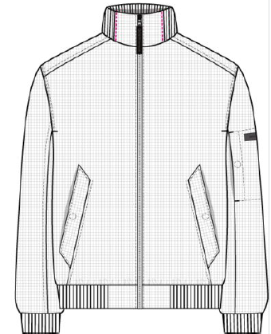 | TJ400 | FABRIC | TJ400
 | $2.05 | Shell FABRIC PRICE | $2.05
 | $9.39 | Total Fabric & lining cost | $8.24 |  | $1.15 | Hood added. Here fabric consumption is higer & insulation has change to Sorona. Also scrim/tybag has added to prevent down migration.
 | $4.13 | CM | $4.00 |  | $0.13 | Hood added, actual CM is $4.50
 | $0.00 | Garment Dye/wash | $0.00 |  | $0.00
 | $2.74 | Total Trims cost | $1.34 |  | $1.40 | CF zipper with spacial puller, Seam sealing tape, Eyelet, stopper, stopper pearl, Draw string, 25mm Canvas tape and button hass been added for hood. Also Hangerloop has change to Sunrise CN i/o Montrims.
 | $2.34 | Skontho & others | $2.37 |  | -$0.03
 | $18.60 | Total | $15.95 |  | $2.65

